Fish Finder Impedance
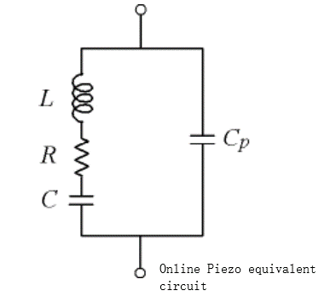
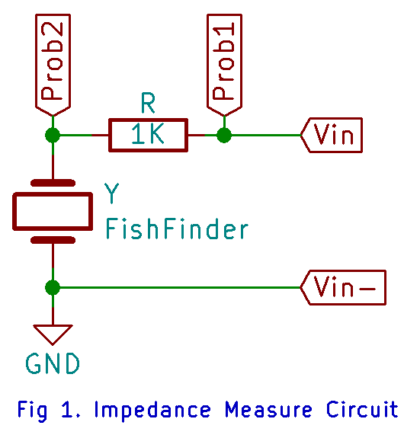
Fig 1 Circuit |  |  |  | Voltage -> current phase
Feq (Khz) | Vfish (Prob2-Gnd) Vpp (V) | Vr (Prob1-Prob2) Vpp | Current (Vr/R) (A) | Vfish -> Ifish angle (deg) | V/I | Re{z} | Im{z}
300 | 3.47 | 8.72 | 0.00872 | -89.2 | 397.936 | 5.557 | -397.897
250 | 4.3 | 7.95 | 0.00795 | -80.1 | 540.881 | 92.994 | -532.826
225 | 4.362 | 8.15 | 0.00815 | -86.1 | 535.215 | 36.403 | -533.975
210 | 4.58 | 7.074 | 0.007074 | -71.1 | 647.441 | 209.718 | -612.535
205 | 3.956 | 7.411 | 0.007411 | -69.5 | 533.801 | 186.942 | -499.996
200 | 3.77 | 7.93 | 0.00793 | -75.52 | 475.410 | 118.873 | -460.308
195 | 4.139 | 8.074 | 0.008074 | -82.7 | 512.633 | 65.138 | -508.478
190 | 4.404 | 7.969 | 0.007969 | -83.8 | 552.641 | 59.686 | -549.409
175 | 4.71 | 7.88 | 0.00788 | -84.09 | 597.716 | 61.545 | -594.539
150 | 5.7 | 7.53 | 0.00753 | -83.88 | 756.972 | 80.703 | -752.658
130
120 | 6.21 | 7.08 | 0.00708 | -84.46 | 877.119 | 84.679 | -873.022
110
100 | 7.38 | 6.01 | 0.00601 | -87.5 | 1227.953 | 53.564 | -1226.785
90 | 8.01 | 4.89 | 0.00489 | -84.58 | 1638.037 | 154.724 | -1630.713
85 | 8.28 | 3.79 | 0.00379 | -76.76 | 2184.697 | 500.365 | -2126.625
82 | 8.39 | 2.19 | 0.00219 | -54.11 | 3831.050 | 2245.883 | -3103.700
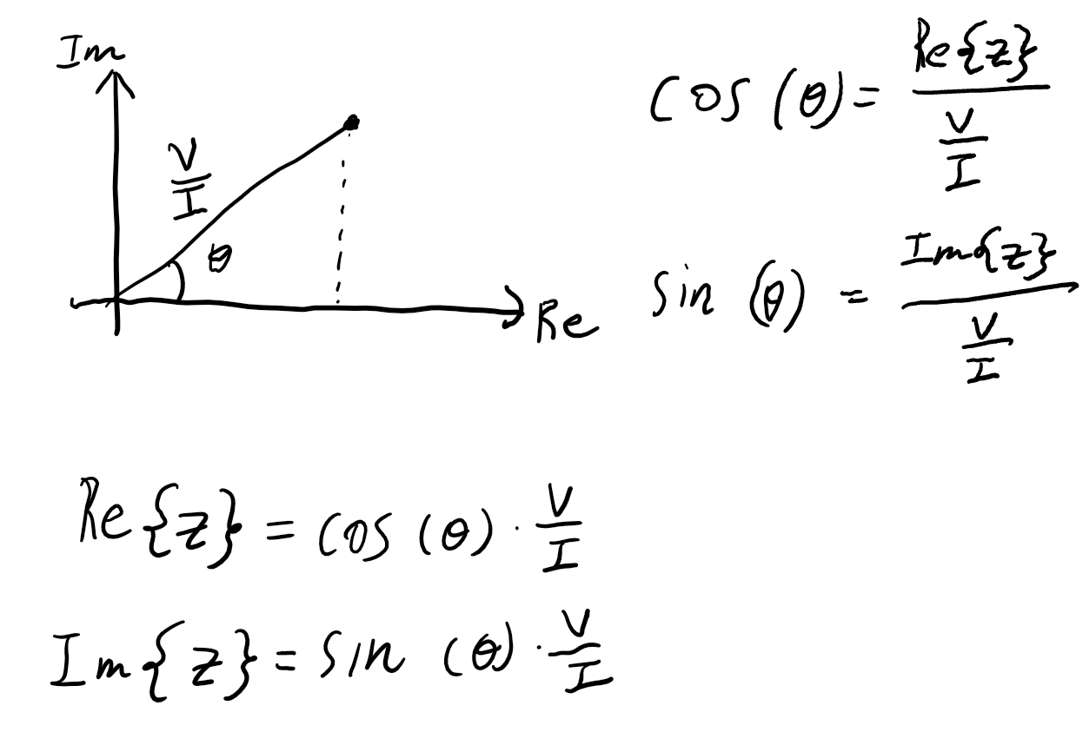
81.5 | 8.21 | 1.85 | 0.00185 | -39.77 | 4437.838 | 3411.006 | -2838.915
81 | 8.07 | 1.69 | 0.00169 | -18.01 | 4775.148 | 4541.178 | -1476.393
80.9 | 8.015 | 1.708 | 0.001708 | -13.6 | 4692.623 | 4561.047 | -1103.432
80.7 | 7.92 | 1.74 | 0.00174 | -5.4 | 4551.724 | 4531.523 | -428.355
80.6 | 7.879 | 1.804 | 0.001804 | 0.6 | 4367.517 | 4367.277 | 45.736
80.5 | 7.789 | 1.872 | 0.001872 | 4.3 | 4160.791 | 4149.079 | 311.971
80.4 | 7.762 | 1.952 | 0.001952 | 9.3 | 3976.434 | 3924.167 | 642.606
80.3 | 7.697 | 2.044 | 0.002044 | 12.6 | 3765.656 | 3674.967 | 821.452
80.1 | 7.525 | 2.255 | 0.002255 | 20.1 | 3337.029 | 3133.785 | 1146.801
80 | 7.429 | 2.411 | 0.002411 | 22.9 | 3081.294 | 2838.444 | 1199.004
79.7 | 7.103 | 2.869 | 0.002869 | 31.2 | 2475.776 | 2117.690 | 1282.518
79.5 | 6.884 | 3.217 | 0.003217 | 34.5 | 2139.882 | 1763.533 | 1212.042
79 | 6.097 | 4.121 | 0.004121 | 38.9 | 1479.495 | 1151.408 | 929.068
78 | 4.046 | 5.922 | 0.005922 | 34.8 | 683.215 | 561.022 | 389.920
77.5 | 3.134 | 6.621 | 0.006621 | 24.9 | 473.342 | 429.342 | 199.294
77.3 | 2.768 | 6.84 | 0.00684 | 18.7 | 404.678 | 383.316 | 129.745
77.1 | 2.493 | 7.059 | 0.007059 | 10.5 | 353.166 | 347.252 | 64.359
77 | 2.41 | 7.141 | 0.007141 | 6.4 | 337.488 | 335.384 | 37.619
76.9 | 2.326 | 7.222 | 0.007222 | 1.6 | 322.071 | 321.946 | 8.993
76.8 | 2.229 | 7.303 | 0.007303 | -3.1 | 305.217 | 304.770 | -16.506
76.7 | 2.1854 | 7.335 | 0.007335 | -8.4 | 297.941 | 294.745 | -43.524
76.6 | 2.142 | 7.367 | 0.007367 | -13.9 | 290.756 | 282.242 | -69.848
76.5 | 2.155 | 7.442 | 0.007442 | -18.9 | 289.573 | 273.961 | -93.798
76.3 | 2.174 | 7.575 | 0.007575 | -29.4 | 286.997 | 250.036 | -140.888
76.1 | 2.26 | 7.609 | 0.007609 | -38.4 | 297.017 | 232.770 | -184.491
75.9 | 2.393 | 7.701 | 0.007701 | -45.9 | 310.739 | 216.247 | -223.150
75.5 | 2.73 | 7.772 | 0.007772 | -58.1 | 351.261 | 185.620 | -298.210
75 | 3.2 | 7.772 | 0.007772 | -67.1 | 411.734 | 160.216 | -379.284
74 | 4.101 | 7.728 | 0.007728 | -76.5 | 530.668 | 123.882 | -516.005
73 | 4.776 | 7.598 | 0.007598 | -81.6 | 628.586 | 91.827 | -621.843
72 | 5.325 | 7.424 | 0.007424 | -84.3 | 717.268 | 71.240 | -713.722
71
70 | 6.445 | 7.11 | 0.00711 | -86.5 | 906.470 | 55.340 | -904.779
69
68 | 6.621 | 6.769 | 0.006769 | -87.4 | 978.136 | 44.372 | -977.129
67
65 | 7.063 | 6.391 | 0.006391 | -88.1 | 1105.148 | 36.643 | -1104.540
60 | 7.609 | 5.787 | 0.005787 | -88.1 | 1314.844 | 43.596 | -1314.121

 | Vfish (Prob2-Gnd) Vpp (V) | Vr (Prob1-Prob2) Vpp | Vfish -> Ifish angle (deg) | Current (Vr/R) (A)
300 | 3.47 | 8.72 | -89.2 | 0.00872
250 | 4.3 | 7.95 | -80.1 | 0.00795
225 | 4.362 | 8.15 | -86.1 | 0.00815
210 | 4.58 | 7.074 | -71.1 | 0.007074
205 | 3.956 | 7.411 | -69.5 | 0.007411
200 | 3.77 | 7.93 | -75.52 | 0.00793
195 | 4.139 | 8.074 | -82.7 | 0.008074
190 | 4.404 | 7.969 | -83.8 | 0.007969
175 | 4.71 | 7.88 | -84.09 | 0.00788
150 | 5.7 | 7.53 | -83.88 | 0.00753
130
120 | 6.21 | 7.08 | -84.46 | 0.00708
110
100 | 7.38 | 6.01 | -87.5 | 0.00601
90 | 8.01 | 4.89 | -84.58 | 0.00489
85 | 8.28 | 3.79 | -76.76 | 0.00379
82 | 8.39 | 2.19 | -54.11 | 0.00219
81.5 | 8.21 | 1.85 | -39.77 | 0.00185
81 | 8.07 | 1.69 | -18.01 | 0.00169
80.9 | 8.015 | 1.708 | -13.6 | 0.001708
80.7 | 7.92 | 1.74 | -5.4 | 0.00174
80.6 | 7.879 | 1.804 | 0.6 | 0.001804
80.5 | 7.789 | 1.872 | 4.3 | 0.001872
80.4 | 7.762 | 1.952 | 9.3 | 0.001952
80.3 | 7.697 | 2.044 | 12.6 | 0.002044
80.1 | 7.525 | 2.255 | 20.1 | 0.002255
80 | 7.429 | 2.411 | 22.9 | 0.002411
79.7 | 7.103 | 2.869 | 31.2 | 0.002869
79.5 | 6.884 | 3.217 | 34.5 | 0.003217
79 | 6.097 | 4.121 | 38.9 | 0.004121
78 | 4.046 | 5.922 | 34.8 | 0.005922
77.5 | 3.134 | 6.621 | 24.9 | 0.006621
77.3 | 2.768 | 6.84 | 18.7 | 0.00684
77.1 | 2.493 | 7.059 | 10.5 | 0.007059
77 | 2.41 | 7.141 | 6.4 | 0.007141
76.9 | 2.326 | 7.222 | 1.6 | 0.007222
76.8 | 2.229 | 7.303 | -3.1 | 0.007303
76.7 | 2.1854 | 7.335 | -8.4 | 0.007335
76.6 | 2.142 | 7.367 | -13.9 | 0.007367
76.5 | 2.155 | 7.442 | -18.9 | 0.007442
76.3 | 2.174 | 7.575 | -29.4 | 0.007575
76.1 | 2.26 | 7.609 | -38.4 | 0.007609
75.9 | 2.393 | 7.701 | -45.9 | 0.007701
75.5 | 2.73 | 7.772 | -58.1 | 0.007772
75 | 3.2 | 7.772 | -67.1 | 0.007772
74 | 4.101 | 7.728 | -76.5 | 0.007728
73 | 4.776 | 7.598 | -81.6 | 0.007598
72 | 5.325 | 7.424 | -84.3 | 0.007424
71
70 | 6.445 | 7.11 | -86.5 | 0.00711
...

Transformer Impedance
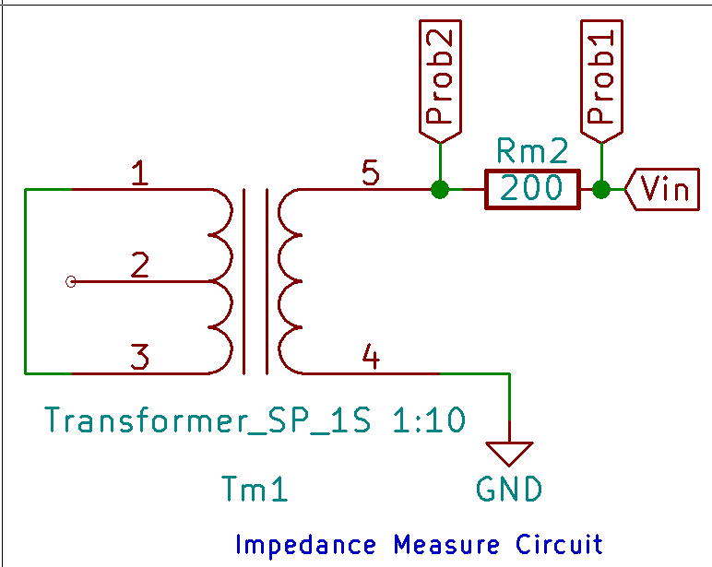
Resistance (ohm)
199.17 |  |  |  |  | Voltage -> current phase
 | Feq from fish finder (Khz) | Feq (Khz) | Vcoil (Prob2-Gnd) Vpp (V) | Vr (Prob1-Prob2) Vpp | Vfish -> Ifish angle (deg) | Current (Vr/R) (A) | V/I | Re{z} | Im{z}
 | 300
 | 250 | 250 | 6.203 | 10.208 | 82.4 | 0.0512526987 | 121.02777332 | 16.006842147 | 119.96459027
 | 225 | 225 | 5.702 | 10.384 | 81.5 | 0.052136365919 | 109.36703968 | 16.165607691 | 108.16571775
 | 210 | 210 | 5.395 | 10.48 | 81.2 | 0.05261836622 | 102.5307395 | 15.685872219 | 101.32376797
 | 205 | 205 | 5.29 | 10.51 | 81.1 | 0.052768991314 | 100.24826832 | 15.50956673 | 99.041247166
 | 200 | 200 | 5.179 | 10.55 | 80.9 | 0.052969824773 | 97.772647393 | 15.463648082 | 96.542043516
 | 195 | 195 | 5.074 | 10.57 | 80.9 | 0.053070241502 | 95.609137181 | 15.121468941 | 94.405764069
 | 190 | 190 | 4.969 | 10.6 | 80.4 | 0.053220866596 | 93.365634906 | 15.570579033 | 92.05812756
 | 175 | 175 | 4.625 | 10.7 | 80 | 0.053722950244 | 86.089836449 | 14.949443204 | 84.781920759
 | 150 | 150 | 4.028 | 10.85 | 79.1 | 0.054476075714 | 73.940715207 | 13.981936964 | 72.606713217
 | Im{z}
250 | 119.96459027
225 | 108.16571775
210 | 101.32376797
205 | 99.041247166
200 | 96.542043516
195 | 94.405764069
190 | 92.05812756
175 | 84.781920759
150 | 72.606713217
130 | 63.533669898
120 | 58.530786347
110 | 53.600544687
100 | 48.715745933
90 | 43.88976178
85 | 41.626275994
82 | 40.180617749
81.5 | 39.975711704
81 | 39.681150784
80.9 | 39.722165964
80.7 | 39.587744545
80.6 | 39.564699801
80.5 | 39.461917907
80.4 | 39.388250242
80.3 | 39.336601939
80.1 | 39.166885864
80 | 39.198046652
79.7 | 39.011325163
79.5 | 38.817365135
79 | 38.724972604
78 | 38.195615131
77.5 | 37.803614501
77.3 | 37.713065568
77.1 | 37.773597858
77 | 37.716797548
76.9 | 37.666508484
76.8 | 37.539029095
76.7 | 37.455423239
76.6 | 37.455423239
76.5 | 37.452297171
76.3 | 37.046276702
76.1 | 37.204605673
75.9 | 37.026581064
75.5 | 36.998900665
75 | 36.692713378
74 | 36.164110465
73 | 35.694552447
72 | 35.217003621
71 | 34.716989205
70 | 34.353460522
 | 130 | 130 | 3.571 | 10.95 | 78 | 0.054978159361 | 64.953065753 | 13.504574781 | 63.533669898
 | 120 | 120 | 3.322 | 11.01 | 76.9 | 0.05527940955 | 60.094708447 | 13.620610594 | 58.530786347
 | 110 | 110 | 3.073 | 11.055 | 75.5 | 0.055505347191 | 55.364035278 | 13.862107037 | 53.600544687
 | 100 | 100 | 2.82 | 11.11 | 74.5 | 0.055781493197 | 50.55440144 | 13.510129649 | 48.715745933
 | 90 | 90 | 2.573 | 11.16 | 72.9 | 0.05603253502 | 45.91975 | 13.502305393 | 43.88976178
 | 85 | 85 | 2.45 | 11.18 | 72.5 | 0.05613295175 | 43.64637746 | 13.12476332 | 41.626275994
 | 82 | 82 | 2.375 | 11.19 | 71.9 | 0.056183160114 | 42.272453083 | 13.133097386 | 40.180617749
 | 81.5 | 81.5 | 2.365 | 11.2 | 71.9 | 0.056233368479 | 42.056879464 | 13.066123526 | 39.975711704
 | 81 | 81 | 2.353 | 11.2 | 71.5 | 0.056233368479 | 41.843483036 | 13.277173834 | 39.681150784
 | 80.9 | 80.9 | 2.35 | 11.2 | 71.9 | 0.056233368479 | 41.790133929 | 12.983251707 | 39.722165964
 | 80.7 | 80.7 | 2.344 | 11.19 | 71.6 | 0.056183160114 | 41.720686327 | 13.169136246 | 39.587744545
 | 80.6 | 80.6 | 2.344 | 11.19 | 71.5 | 0.056183160114 | 41.720686327 | 13.238209744 | 39.564699801
 | 80.5 | 80.5 | 2.34 | 11.2 | 71.5 | 0.056233368479 | 41.612303571 | 13.203819282 | 39.461917907
 | 80.4 | 80.4 | 2.337 | 11.2 | 71.4 | 0.056233368479 | 41.558954464 | 13.255656871 | 39.388250242
 | 80.3 | 80.3 | 2.336 | 11.19 | 71.1 | 0.056183160114 | 41.578294906 | 13.46797517 | 39.336601939
 | 80.1 | 80.1 | 2.328 | 11.2 | 71.1 | 0.056233368479 | 41.398907143 | 13.409868171 | 39.166885864
 | 80 | 80 | 2.323 | 11.2 | 71.6 | 0.056233368479 | 41.309991964 | 13.039500555 | 39.198046652
 | 79.7 | 79.7 | 2.316 | 11.2 | 71.3 | 0.056233368479 | 41.185510714 | 13.204650764 | 39.011325163
 | 79.5 | 79.5 | 2.31 | 11.2 | 70.9 | 0.056233368479 | 41.0788125 | 13.441763291 | 38.817365135
 | 79 | 79 | 2.299 | 11.2 | 71.3 | 0.056233368479 | 40.883199107 | 13.107725435 | 38.724972604
 | 78 | 78 | 2.273 | 11.2 | 70.9 | 0.056233368479 | 40.420840179 | 13.226462321 | 38.195615131
 | 77.5 | 77.5 | 2.26 | 11.21 | 70.3 | 0.056283576844 | 40.153809099 | 13.535697834 | 37.803614501
 | 77.3 | 77.3 | 2.256 | 11.21 | 70.2 | 0.056283576844 | 40.08274041 | 13.577583154 | 37.713065568
 | 77.1 | 77.1 | 2.252 | 11.2 | 70.6 | 0.056233368479 | 40.047396429 | 13.302227841 | 37.773597858
 | 77 | 77 | 2.25 | 11.2 | 70.5 | 0.056233368479 | 40.011830357 | 13.356262624 | 37.716797548
 | 76.9 | 76.9 | 2.247 | 11.2 | 70.5 | 0.056233368479 | 39.95848125 | 13.338454273 | 37.666508484
 | 76.8 | 76.8 | 2.245 | 11.2 | 70.1 | 0.056233368479 | 39.922915179 | 13.588982705 | 37.539029095
 | 76.7 | 76.7 | 2.242 | 11.21 | 70.1 | 0.056283576844 | 39.834 | 13.558717711 | 37.455423239
 | 76.6 | 76.6 | 2.24 | 11.2 | 70.1 | 0.056233368479 | 39.834 | 13.558717711 | 37.455423239
 | 76.5 | 76.5 | 2.237 | 11.2 | 70.3 | 0.056233368479 | 39.780650893 | 13.409907608 | 37.452297171
 | 76.3 | 76.3 | 2.21 | 11.2 | 70.5 | 0.056233368479 | 39.300508929 | 13.118817955 | 37.046276702
 | 76.1 | 76.1 | 2.225 | 11.2 | 70.1 | 0.056233368479 | 39.567254464 | 13.467922726 | 37.204605673
 | 75.9 | 75.9 | 2.222 | 11.21 | 69.7 | 0.056283576844 | 39.478656557 | 13.696591482 | 37.026581064
 | 75.5 | 75.5 | 2.212 | 11.2 | 70.15 | 0.056233368479 | 39.336075 | 13.356951225 | 36.998900665
 | 75 | 75 | 2.2 | 11.2 | 69.7 | 0.056233368479 | 39.122678571 | 13.573089684 | 36.692713378
 | 74 | 74 | 2.175 | 11.22 | 69.5 | 0.056333785209 | 38.609157754 | 13.521249083 | 36.164110465
 | 73 | 73 | 2.151 | 11.22 | 69.2 | 0.056333785209 | 38.183125668 | 13.559130185 | 35.694552447
 | 72 | 72 | 2.126 | 11.225 | 69 | 0.056358889391 | 37.722531849 | 13.518582213 | 35.217003621
 | 71 | 71 | 2.101 | 11.23 | 68.7 | 0.056383993573 | 37.262348175 | 13.535628986 | 34.716989205
 | 70 | 70 | 2.079 | 11.23 | 68.7 | 0.056383993573 | 36.872166518 | 13.393894651 | 34.353460522

Impedance Matching Value
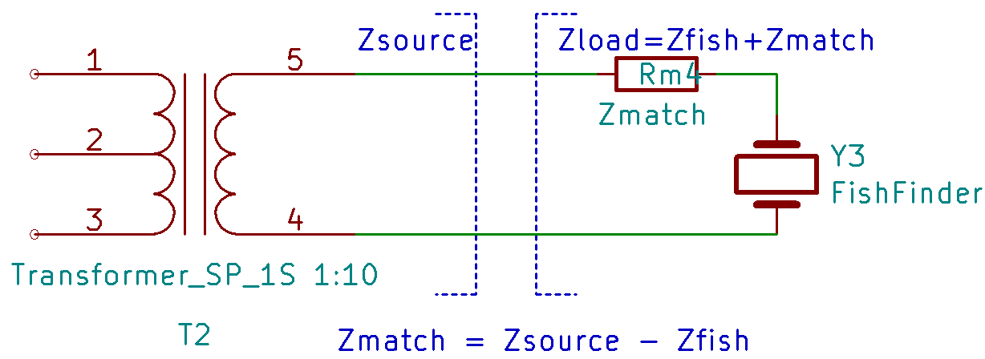
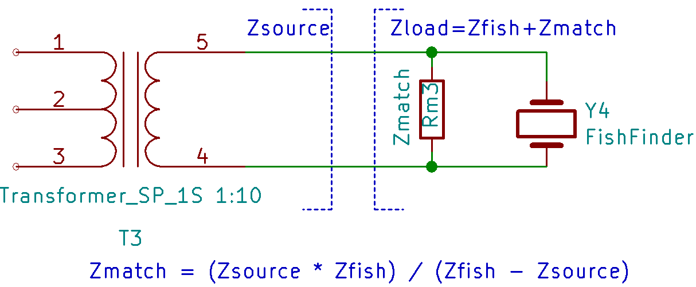

 |  |  |  |  | In Line |  |  | Parallel

 | Fish Finder |  | Transformer |  | Zmatch | Inductor (mH) | Capicator (uF) | Zmatch | Inductor (mH) | Capicator (uF)
Feq | Re{z} | Im{z} | Re{z} | Im{z} | Im{z} | z = 2pi F L | z = 1/ 2piFC | Im{z} | z = 2pi F L | z = 1/ 2piFC
 |  |  |  |  |  | L = Z/(2*pi*F) | C = 1/(2*pi*F*Z) |  | L = Z/(2*pi*F) | C = 1/(2*pi*F*Z)
100 | 53.564157978 | -1226.7846023 | 13.510129649 | 48.715745933 | 1275.50 | 2.0300218534 |  | 46.86 | 0.074572245966
90 | 154.72415037 | -1630.7130427 | 13.502305393 | 43.88976178 | 1674.60 | 2.9613479339 |  | 42.74 | 0.075579945849
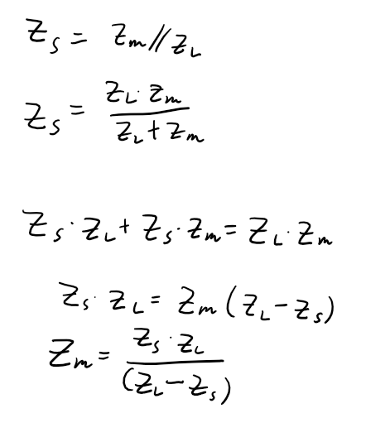
85 | 500.3645558 | -2126.625123 | 13.12476332 | 41.626275994 | 2168.25 | 4.0598579767 |  | 40.83 | 0.076445173414
82 | 2245.8827629 | -3103.7004474 | 13.133097386 | 40.180617749 | 3143.88 | 6.1020025854 |  | 39.67 | 0.076990400615
81.5 | 3411.0062768 | -2838.9154363 | 13.066123526 | 39.975711704 | 2878.89 | 5.6219602064 |  | 39.42 | 0.076981423791
81 | 4541.1783359 | -1476.3932626 | 13.277173834 | 39.681150784 | 1516.07 | 2.9788979874 |  | 38.64 | 0.075927815957
80.9 | 4561.0467198 | -1103.4323622 | 12.983251707 | 39.722165964 | 1143.15 | 2.2489331752 |  | 38.34 | 0.075430208428
80.7 | 4531.5234592 | -428.35472057 | 13.169136246 | 39.587744545 | 467.94 | 0.92286686995 |  | 36.24 | 0.071469123309
80.6 | 4367.2771564 | 45.735652641 | 13.238209744 | 39.564699801 | -6.17 |  | 0.31998738882 | 293.23 | 0.57902273727
80.5 | 4149.0785481 | 311.97051864 | 13.203819282 | 39.461917907 | -272.51 |  | 0.0072551106025 | 45.18 | 0.089317340116
80.4 | 3924.1671325 | 642.60645963 | 13.255656871 | 39.388250242 | -603.22 |  | 0.0032816302001 | 41.96 | 0.083061814677
80.3 | 3674.9665502 | 821.45163099 | 13.46797517 | 39.336601939 | -782.12 |  | 0.0025341595533 | 41.32 | 0.081886591152
80.1 | 3133.7849283 | 1146.8013782 | 13.409868171 | 39.166885864 | -1107.63 |  | 0.0017938707318 | 40.55 | 0.080574643511
80 | 2838.4435313 | 1199.0043614 | 13.039500555 | 39.198046652 | -1159.81 |  | 0.0017153181211 | 40.52 | 0.08061759981
79.7 | 2117.6904958 | 1282.5176204 | 13.204650764 | 39.011325163 | -1243.51 |  | 0.0016058827092 | 40.24 | 0.080346666964
79.5 | 1763.5333123 | 1212.0415448 | 13.441763291 | 38.817365135 | -1173.22 |  | 0.0017063652492 | 40.10 | 0.08028151454
79 | 1151.4075885 | 929.06771206 | 13.107725435 | 38.724972604 | -890.34 |  | 0.0022627460679 | 40.41 | 0.0814093534
78 | 561.02176373 | 389.91985653 | 13.226462321 | 38.195615131 | -351.72 |  | 0.0058012719858 | 42.34 | 0.086399670852
77.5 | 429.34245962 | 199.29394285 | 13.535697834 | 37.803614501 | -161.49 |  | 0.012716626376 | 46.65 | 0.095807462263
77.3 | 383.31553998 | 129.74503438 | 13.577583154 | 37.713065568 | -92.03 |  | 0.022371851344 | 53.17 | 0.10946732523
77.1 | 347.25238063 | 64.359368978 | 13.302227841 | 37.773597858 | -26.59 |  | 0.077645535955 | 91.44 | 0.18876289174
77 | 335.38449944 | 37.619367127 | 13.356262624 | 37.716797548 | 0.10 | 0.00020138354714 |  | -14563.03 |  | 0.0001419311398
76.9 | 321.94587775 | 8.9927550302 | 13.338454273 | 37.666508484 | 28.67 | 0.059344208052 |  | -11.81 |  | 0.17519843023
76.8 | 304.77040171 | -16.505760978 | 13.588982705 | 37.539029095 | 54.04 | 0.11199863917 |  | 11.46 | 0.023758754228
76.7 | 294.74516646 | -43.524142181 | 13.558717711 | 37.455423239 | 80.98 | 0.16803517765 |  | 20.13 | 0.041772864296
76.6 | 282.24172784 | -69.847704752 | 13.558717711 | 37.455423239 | 107.30 | 0.22294808393 |  | 24.38 | 0.050657742032
76.5 | 273.96051367 | -93.797563578 | 13.409907608 | 37.452297171 | 131.25 | 0.27305966168 |  | 26.77 | 0.055683928028
76.3 | 250.03554956 | -140.88764877 | 13.118817955 | 37.046276702 | 177.93 | 0.37115417802 |  | 29.33 | 0.061186318247
76.1 | 232.77014171 | -184.4911264 | 13.467922726 | 37.204605673 | 221.70 | 0.46365271514 |  | 30.96 | 0.064751574128
75.9 | 216.24730361 | -223.14960443 | 13.696591482 | 37.026581064 | 260.18 | 0.54556424237 |  | 31.76 | 0.066591768272
75.5 | 185.61999986 | -298.21043124 | 13.356951225 | 36.998900665 | 335.21 | 0.70662545884 |  | 32.92 | 0.069385501329
75 | 160.2161035 | -379.28359059 | 13.573089684 | 36.692713378 | 415.98 | 0.88272913314 |  | 33.46 | 0.070996045422
74 | 123.88249669 | -516.00517131 | 13.521249083 | 36.164110465 | 552.17 | 1.1875739273 |  | 33.80 | 0.072685538243
73 | 91.826563322 | -621.8430933 | 13.559130185 | 35.694552447 | 657.54 | 1.4335666656 |  | 33.76 | 0.073596880262
72 | 71.239796927 | -713.72174741 | 13.518582213 | 35.217003621 | 748.94 | 1.6555181153 |  | 33.56 | 0.074186121281
71 | 55.339808807 | -904.7789415 | 13.535628986 | 34.716989205 | 939.50 | 2.1059918505 |  | 33.43 | 0.074946510663

